Natural Gas
All Sectors Except Power

 | Average end user price ($/BTU) | 0.000012

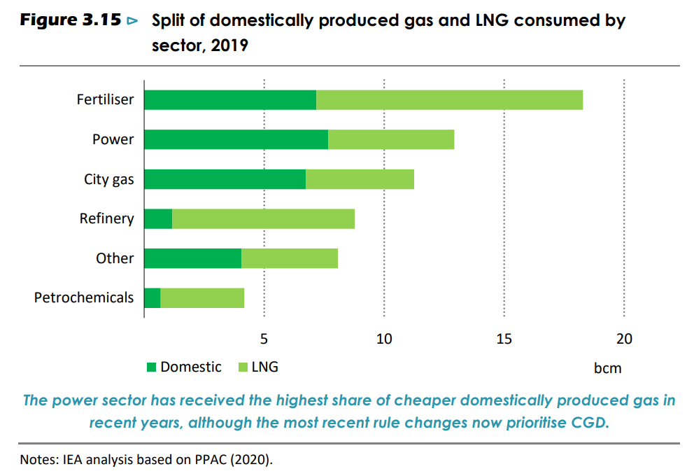
Power Sector
 |  |  | domestic bar | whole bar
 |  | Number of pixels, Power bar | 147 | 247

 |  | % domestic in power sector | 60%

 |  | power sector price ($/MMBtu) | 7.28
 |  | power sector price ($/BTU) | 7.2803643725E-06

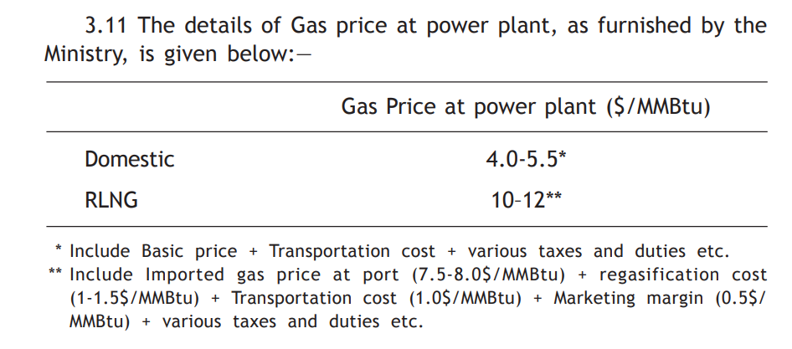

 |  | average domestic price | 4.75
 |  | average RLNG | 11

LPG
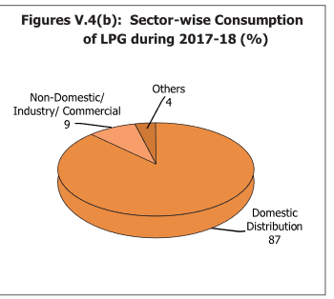
Liquefied Petroleum Gas (Domestic) (₹/14.2 Kg Cyl)
2018 | Delhi | Kolkata | Mumbai | Chennai
Retail Selling Price | 653.5 | 625.47 | 675.99 | 663.86
Note: cost before subsidy deduction as subsidies per unit energy are handled in 'BAU Subsidies' variable
LPG Average Cost | 654.705 | 2018 Rs/cyl
 | 1.03E-03 | 2018 Rs/BTU
 | 7.49E-04 | 2012 Rs/BTU
 | 1.37E-05 | 2012 USD/BTU

Source: Indian Petroleum & Nat Gas Statistics 2017-18
Table IV.11, Page 78

 |  |  |  |  | Source: Indian Petroleum & Nat Gas Statistics 2017-18
 |  |  |  |  | Fig. V.4(b), Page 86

Petro Gasoline & Diesel
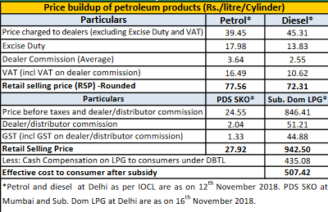
Petroleum Gasoline
As of Nov 2018
India Avg | 77.56 | 2018 rs/liter
 | 2.48E-03 | 2018 Rs/BTU
 | 1.80E-03 | 2012 Rs/BTU
 | 3.29E-05 | 2012 USD/BTU

Petroleum Diesel
As of Nov 2018
India Avg | 72.31 | 2018 rs/liter
 | 1.98E-03 | 2018 Rs/BTU
 | 1.44E-03 | 2012 Rs/BTU
 | 2.63E-05 | 2012 USD/BTU

 |  |  | Source: Snapshot of India's Oil & Gas Data, Oct 2018 (PPAC)
 |  |  | Table 23, Page 18

Crude Oil
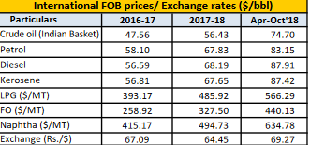
Year | Price
2017-18 | 56.43 | 2018 USD/bbl
Source: Snapshot of India's Oil & Gas Data, Oct 2018 (PPAC)
Table 23, Page 18
 | 56.43 | 2018 USD/bbl
 | 9.73E-06 | 2018 USD/BTU
 | 8.90E-06 | 2012 USD/BTU

Start Year Prices
 | Transportation Sector Price (2012 $/BTU) | Electricity Sector Price (2012 $/BTU) | Residential Buildings Sector Price (2012 $/BTU) | Commercial Buildings Sector Price (2012 $/BTU) | Industry Sector Price (2012 $/BTU)
electricity | 1.92E-05 | 0 | 1.63E-05 | 3.06E-05 | 2.51E-05
coal | 0 | 1.58E-06 | 0 | 0 | 1.58E-06
natural gas | 0.00E+00 | 0.00E+00 | 0 | 0 | 0.00E+00
nuclear | 0 | 7.40E-07 | 0 | 0 | 0
biomass | 0 | 3.22E-06 | 3.22E-06 | 3.22E-06 | 3.22E-06
petroleum gasoline | 3.29E-05 | 0 | 0 | 0 | 0
petroleum diesel | 2.63E-05 | 2.63E-05 | 7.93E-06 | 7.93E-06 | 2.63E-05
biofuel gasoline | 3.29E-05 | 0 | 0 | 0 | 0
biofuel diesel | 2.63E-05 | 2.63E-05 | 7.93E-06 | 7.93E-06 | 2.63E-05
jet fuel / kerosene | 2.55E-05 | 0 | 7.93E-06 | 7.93E-06 | 0
heat | 0 | 0 | 0 | 0 | 0
lignite | 0 | 2.01E-06 | 0 | 0 | 2.01E-06
crude oil | 0 | 8.90E-06 | 0 | 0 | 8.90E-06
heavy fuel oil | 0 | 1.73E-05 | 0 | 0 | 1.73E-05
LPG propane or butane | 0 | 0 | 1.37E-05 | 1.37E-05 | 1.37E-05
municipal solid waste | 0 | 2.03E-06 | 0 | 0 | 2.03E-06
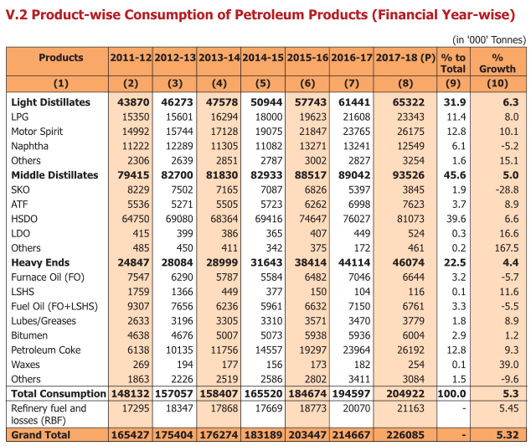
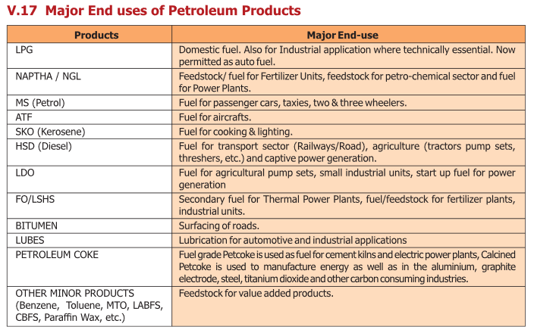

Source: Indian Petroleum & Nat Gas Statistics 2017-18
Table V.17, Page 95

 |  |  |  | Source: Indian Petroleum & Nat Gas Statistics 2017-18
 |  |  |  | Table V.2, Page 84

